1. Title Page
Instacart Data Analysis

Project Name: Instacart Data Analysis
Date: 4/30/2023
Analyst Name: Sebastian Lombardo

Contents:
Population Flow
Consistency checks
Wrangling steps
Column derivations
Visualizations
Recommendations

DATA CITATION
“The Instacart Online Grocery Shopping Dataset 2017”, Accessed from www.instacart.com/datasets/grocery-shopping-2017 via Kaggle on [date unknown].

2. Population Flow
Title page

Population flow

Exclusion flag
Condition: max_order < 5
Obervations to be removed: 1440295
Final total count of order_products_all: 30964564

Orders_products_combined
Orders_products_merged
Orders_products_all
Total: 32404859
NOTE:
Consistency checks on 'orders_products_prior' not performed as they
were not included in the instructions to follow in lesson 4.6.
Total:32434489
Total: 30964564

1.) The grey boxes in the first row of the population flow represent the original data sets as they were when you downloaded them. In the Total fields you need to add the count of the rows when you imported the data set into Jupyter.
2.) The second row of boxes (coloured) represents the data sets after you manipulated them, e.g., removed missing values and duplicates. In the Total fields you need to add the count of the rows after conducting these operations. This offers a visual oveview of how the data flows throughout the data consistency checks.
3.) The third row, where also the arrows are coloured, represents the merges you performed between the datasets. In the Total fields you need to add the count of the rows in the merged datasets, so that you end up with the final dataset (in the red box). Keep in mind the final dataset should be without exclusions (based on the exclusion flag).

3. Consistency checks
 |  |  |  | Title page
Consistency checks

 |  |  |  | days_since_prior_order | 1 | 2 | 3 | 4
Dataset | Missing values | Missing values treatment | Duplicates | 0 | 0 | 28 | 11 | 16
orders | 206209 entries; days_since_prior_order | Flagged | n/a | 1 | 0 | 19 | 25 | 18
products | 16 | deleted | n/a | 2 | 0 | 39 | 38 | 33
orders_products_prior* | n/a | n/a | n/a | 3 | 0 | 67 | 66 | 51
customers | n/a | n/a | n/a | 4 | 0 | 65 | 64 | 73
orders_products_merged | n/a | n/a | n/a | 5 | 0 | 106 | 87 | 77
 |  |  |  | 6 | 0 | 110 | 138 | 118
 |  |  |  | 7 | 0 | 184 | 179 | 167
 |  |  |  | 8 | 0 | 127 | 109 | 95
 |  |  |  | 9 | 0 | 64 | 62 | 77
 |  |  |  | 10 | 0 | 50 | 53 | 58
 |  |  |  | 11 | 0 | 53 | 51 | 56
 |  |  |  | 12 | 0 | 47 | 66 | 43
 |  |  |  | 13 | 0 | 58 | 62 | 46
 |  |  |  | 14 | 0 | 78 | 67 | 70
 |  |  |  | 15 | 0 | 54 | 43 | 53
*Consistency checks on 'orders_products_prior' not performed as they were not included in the instructions to follow in lesson 4.6. |  |  |  | 16 | 0 | 46 | 41 | 43
 |  |  |  | 17 | 0 | 43 | 27 | 26
 |  |  |  | 18 | 0 | 29 | 28 | 29
 |  |  |  | 19 | 0 | 22 | 25 | 21
 |  |  |  | 20 | 0 | 37 | 34 | 30
 |  |  |  | 21 | 0 | 44 | 52 | 37
 |  |  |  | 22 | 0 | 27 | 22 | 30
 |  |  |  | 23 | 0 | 22 | 16 | 19
 |  |  |  | 24 | 0 | 18 | 23 | 20
 |  |  |  | 25 | 0 | 18 | 24 | 17
 |  |  |  | 26 | 0 | 16 | 21 | 19
 |  |  |  | 27 | 0 | 26 | 14 | 26
 |  |  |  | 28 | 0 | 20 | 22 | 24
 |  |  |  | 29 | 0 | 20 | 22 | 20
 |  |  |  | 30 | 0 | 434 | 414 | 318

4. Wrangling steps
 |  |  |  | Title page
Wrangling steps

Columns dropped | Columns renamed | Columns' type changed | Comment/Reason
orders.eval_set |  |  | Unnecessary column
 |  | orders.order_id | Changed from int to str
 |  | orders.user_id | Changed from int to str
 |  | orders.order_number | Changed from int to str
 | orders.orders_day_of_week |  | From orders.order_dow; changed for clarity
 | orders.user_order_number |  | From orders.order_number; changed for clarity
 |  | products.product_id | Changed from int to str
 |  | products.aisle_id | Changed from int to str
 |  | products.department_id | Changed from int to str
 | customers.first_name |  | from customers.First Name; changed to remove space
 | customers.last_name |  | from customers.Surnam; changed for simplicity
 | customers.gender |  | from customers.Gender; changed for consistency
 | customers.state |  | from customers.STATE; changed for consistency
 | customers.age |  | from customers.Age; changed for consistency
 | customers.dependants |  | from customers.n_dependants; changed for simplicity
 | customers.marital_status |  | from customers.fam_status; changed for clarity
orders_products_all.first_name |  |  | Security concern
orders_products_all.last_name |  |  | Security concern

5. Column derivations
 |  |  |  | Title page

Column derivations and aggregations

In this tab you should add tables below that the frequences of flags/label variables that you produced after deriving them. NB: don't do this for continuous variables, only for flags.
Dataset | New column | Column/s it was derived from | Conditions
orders_products_merged | Busiest Days | orders_day_of_week | index of ['orders_day_of_week'] value_counts == 0 for busiest day, 4 for the least busy, and all others for regularly busy
orders_products_merged | Busiest hour of day | orders_hour_of_day | index of ['orders_hour_of_day'] value counts < 6 for fewest orders, >=9 and <= 16 for most orders, and all others for average orders
orders_products_merged | max_order | order_number | grouped by user_id
orders_products_merged | loyalty_flag | max_order | max_order > 40 for Loyal Customers, <= 10 for New Customers, and all between for Regular Customers
orders_products_merged | average_price | prices | grouped by user_id
orders_products_merged | spending_flag | average_price | average_price < 10 for Low Spender, >= 10 for High Spender
orders_products_merged | median_frequency | days_since_prior_order | grouped by user_id
orders_products_merged | user_frequency | median_frequency | median_frequency <= 10 for Frequent Customer, > 20 for Non-Frequent Customer, and all between for Regular Customers
orders_products_all | exclusion_flag | max_order | max_order > 5 == True; max_order <= 5 == False
orders_products_all | income_profile | income | income < 32500 for Struggling, >= 32500 to < 65000 for Lower-Middle Class, >= 65000 to < 97500 for Upper-Middle Class, >= 97500 to < 195000 for High-Class, >= 195000 for Wealthy
orders_products_all | age_profile | age | age < 30 for Young, >=30 to < 45 for Adult, >=45 to <65 for Middle-Aged, and >=65 for Elderly
orders_products_all | alcohol_profile | department_id, user_id | user_id has purchases from department_id = 5
orders_products_all | diet_profile | department_id, user_id | user_id has purchases from department_id = 12 for Carnivorous, no purchases from 12 and purchases from 16 and 4 for Vegetarian, and no purchases from 12 nor 16 and purchases from 4 for Vegan
orders_products_all | marital_profile | marital_status | married' for Married, 'divorced/widowed' for Divorced/Widowed, and all others for Single
orders_products_all | dependants_profile | dependants | dependants > 0 for Children
orders_products_all | pets_profile | department_id, user_id | user_id has purchases from department_id = 8
orders_products_all | assumed_profile | income_profile, age_profile, alcohol_profile, diet_profile, marital_profile, gender, dependants_profile, pets_profile | concatenated strings

6. Visualizations
 |  |  |  |  |  |  | Title page

Visualisations

In this tab you should include all the visualtions from Exercises 4.9 and 4.10, alongside the questions from the project brief that they answer. Include any commentary on the relationship between different variables.



 |  |  |  | The sales team needs to know what the busiest days of the week and hours of the day
 |  |  |  | are (i.e., the days and times with the most orders) in order to schedule ads at times
 |  |  |  | when there are fewer orders.

 |  |  |  | TAKEAWAY: | The busiest days of the week are Saturday (0) and Sunday (1).



 |  |  |  | The sales team needs to know what the busiest days of the week and hours of the day
 |  |  |  | are (i.e., the days and times with the most orders) in order to schedule ads at times
 |  |  |  | when there are fewer orders.

 |  |  |  | TAKEAWAY: | The busiest ordering hours are between 10 AM and 3 PM.

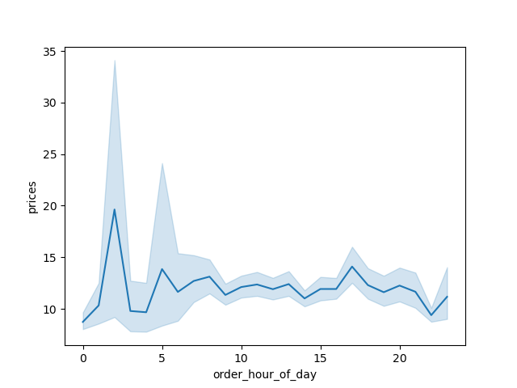

 |  |  |  | They also want to know whether there are particular times of the day when people spend
 |  |  |  | the most money, as this might inform the type of products they advertise at these times.

 |  |  |  | TAKEAWAY: | People spend the most money at 2 AM



 |  |  |  | What’s the distribution among users in regards to their brand loyalty (i.e., how
 |  |  |  | often do they return to Instacart)?

 |  |  |  | TAKEAWAY: | Most customers are fairly regular, but do not use it as a replacement for going grocery shopping altogether.

Regular |  | Loyal Customer | New Customer
Customer

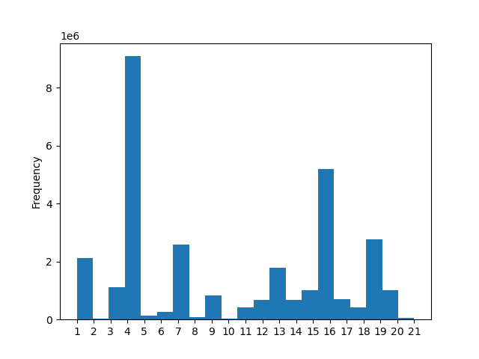

 |  |  |  | Are there certain types of products that are more popular than others? The marketing
 |  |  |  | and sales teams want to know which departments have the highest frequency of product
 |  |  |  | orders.

 |  |  |  | TAKEAWAY: | Departments 1 (frozen), 7 (beverages), 4 (produce), 16 (dairy and eggs), and 19 (snacks), stand out over the others, with 4 and 16 taking special significance and frequency.

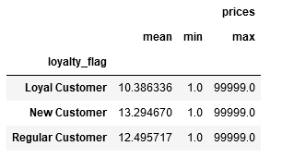
 |  |  |  | Are there differences in ordering habits based on a customer’s loyalty status?

 |  |  |  | TAKEAWAY: | The data would indicate that the newer the customer, the more they spend. This could be due to a number of factors: loyal customers may learn how to navigate deals, or perhaps they order more often and need fewer items per use (leaving high priced items to be purchased more sparingly in each order), or maybe even their familiarity with the platform means there are certain items they do not trust others to purchase for them.

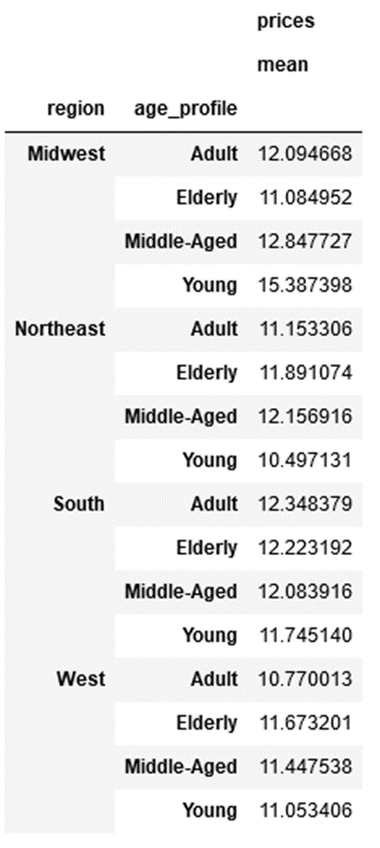

 |  |  |  | Are there differences in ordering habits based on a customer’s region?

 |  |  |  | TAKEAWAY: | Young adults in the Midwest pay more than any other age group in any other region

 |  |  |  | TAKEAWAY: | Young adults in the Northeast pay the least of any other age group in any other region

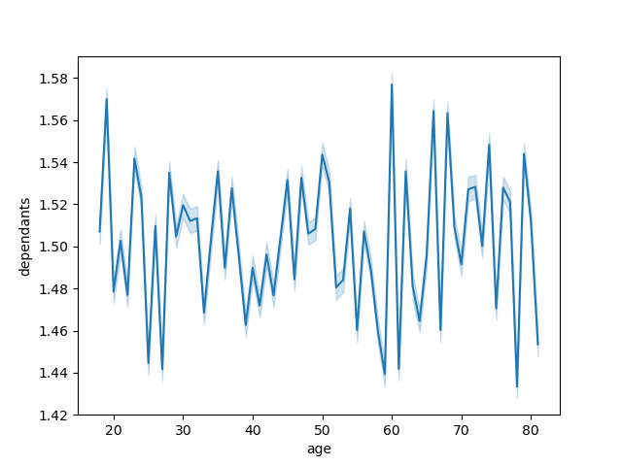

 |  |  |  | Is there a connection between age and family status in terms of ordering habits?

 |  |  |  | No

 |  |  |  |  | What different classifications does the demographic information suggest? Age?
 |  |  |  |  | Income? Certain types of goods? Family status?
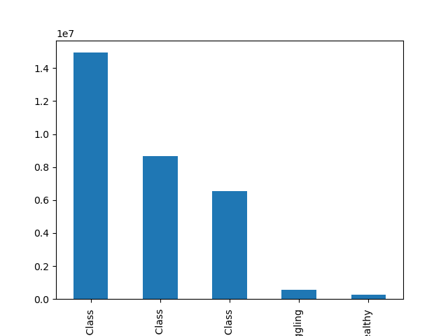
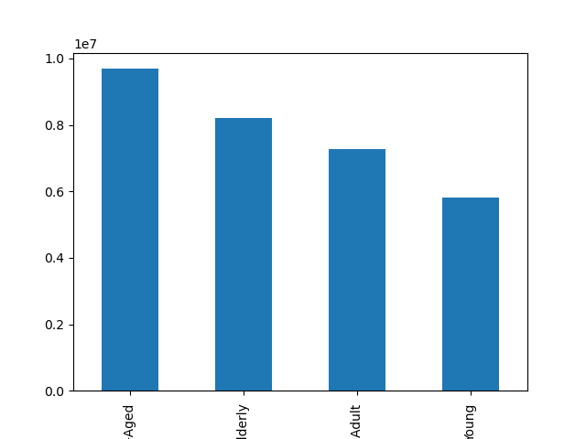
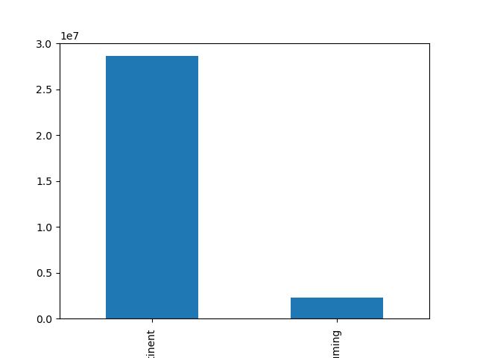
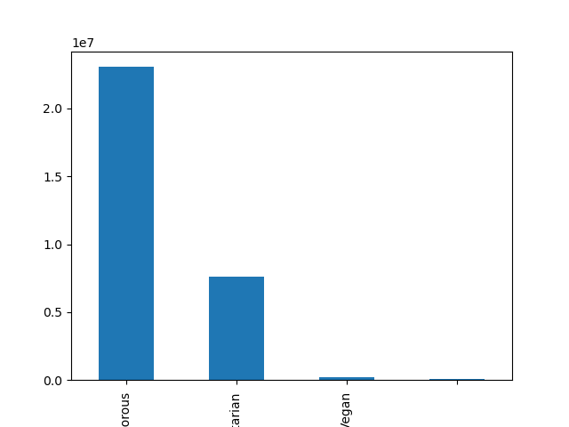
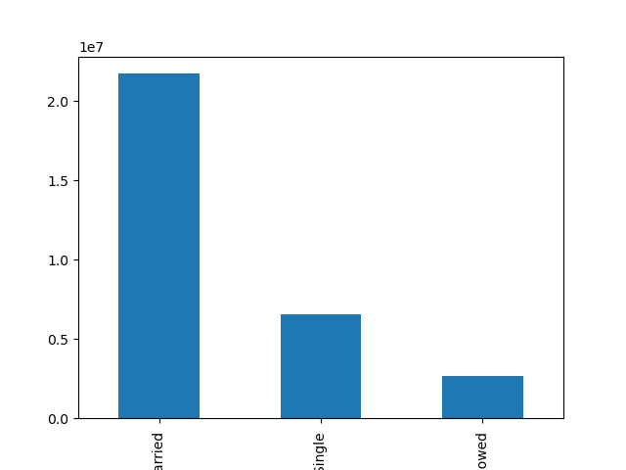
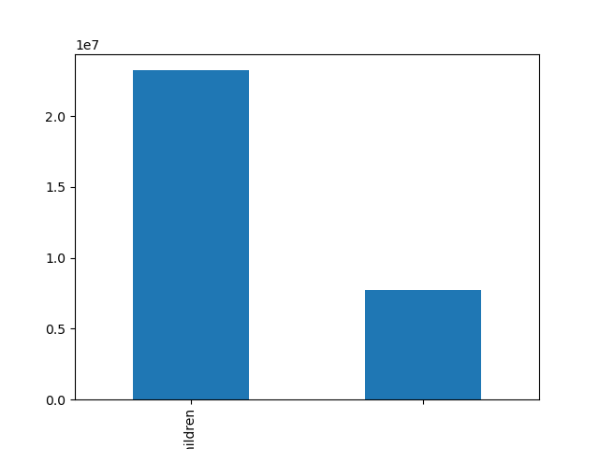
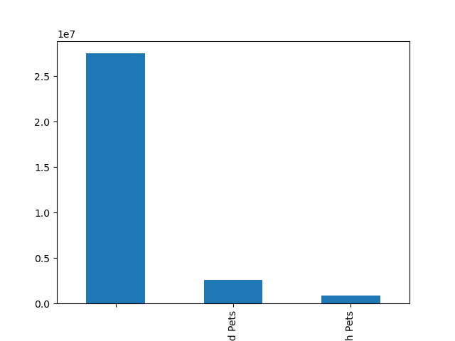

 | Main income demographic: High-Class |  |  |  |  | Main age demographic: Middle-Age |  | Main alcohol demographic: Abstinent | Main diet demographic: Carnivorous | Main marital demographic: Married | Main dependant demographic: with Children | Main pets demographic: No Pets

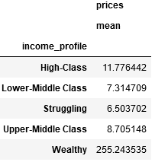
 |  |  |  | What differences can you find in ordering habits of different customer profiles?
 |  |  |  | Consider the price of orders, the frequency of orders, the products customers are
 |  |  |  | ordering, and anything else you can think of.

 |  |  |  | The higher the income of the individual, the higher the price of the items they are willing to purchase.

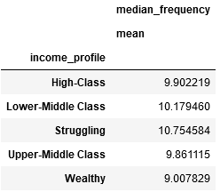

 |  |  |  | The lower the income of the individual, the more often they use the Instacart services.

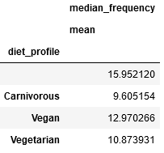
 |  |  |  | Meat-eaters order with the greatest frequency.

 |  |  |  | Vegetarians order with the next greatest frequency.

 |  |  |  | Vegans order with the second lowest frequency.

 |  |  |  | The lowest frequency comes from people who do not use the service to order meat, dairy, eggs, nor produce.

 |  |  |  | These results may be related to shelf life. Meats tend to spoil more quickly than produce, which must be replenished regularly.
 |  |  |  | Dairy and eggs spoil less frequently, but as these users also order produce, their shelf lives are tied into the middle. The people
 |  |  |  | who order with the lowest frequency do not purchase these items with short shelf lives.

7. Recommendations
 |  |  |  |  |  |  |  |  |  |  |  | Title page

Recommendations

In this tab you should include any recommendations you would made to Instcart in terms of their marketing strategy based on the questions posed in the brief. Every key question has been covered in the Tasks of the Exercises - here you need to add an item - a visualisation or table/crosstable that is showing the answer in the data, acompanied by a comment from you. Please, list the questions below and add the answer underneath.



Question | Answer
The sales team needs to know what the busiest days of the week and hours of the day
are (i.e., the days and times with the most orders) in order to schedule ads at times
when there are fewer orders.

 |  |  | The busiest days are Saturday and Sunday. |  |  |  |  |  |  | The busiest hours of the day are between 10 AM and 3 PM

They also want to know whether there are particular times of the day when people spend
the most money, as this might inform the type of products they advertise at these times.

 |  |  |  |  |  |  |  |  |  | People spend the most money at 2 AM, followed by 5 AM, then 6 PM

 |  |  |  |  |  |  |  |  |  | Orders at 5 AM possibly reflect orders put in before work begins, while
 |  |  |  |  |  |  |  |  |  | orders at 6 PM possibly reflect orders put in upon returning home from work.

 |  |  |  |  |  |  |  |  |  | Orders at 2 AM could reflect one or more of several possibilities, including:

 |  |  |  |  |  |  |  |  |  |  | Late night "munchies"
 |  |  |  |  |  |  |  |  |  |  | Night shift workers
 |  |  |  |  |  |  |  |  |  |  | Order preparation for the following daytime

Instacart has a lot of products with different price tags. Marketing and sales want to use
simpler price range groupings to help direct their efforts. |  |  | Low-Range Products: $5 or under

 |  |  | Mid-Range Products: Greater than $5 and up to $15

 |  |  | High-Range Products: Greater than $15

Are there certain types of products that are more popular than others? The marketing
and sales teams want to know which departments have the highest frequency of product
orders.

 |  |  | Departments 1 (frozen), 7 (beverages), 4 (produce), 16 (dairy and eggs), and 19 (snacks), stand out over the others, with 4 and 16 taking special significance and frequency.


What’s the distribution among users in regards to their brand loyalty (i.e., how
often do they return to Instacart)?

 |  |  |  |  |  |  |  |  |  |  | Most customers are fairly regular, but do not use it as a replacement for going grocery shopping altogether.

 |  |  |  | Regular | Loyal |  |  | New
 |  |  |  | Customer | Customer |  |  | Customer

Are there differences in ordering habits based on a customer’s loyalty status?

 |  |  |  |  |  |  |  |  |  |  |  | The data would indicate that the newer the customer, the more they spend.
 |  |  |  |  |  |  |  |  |  |  |  | This could be due to a number of factors: loyal customers may learn how to navigate deals,
 |  |  |  |  |  |  |  |  |  |  |  | or perhaps they order more often and need fewer items per use (leaving high priced items to
 |  |  |  |  |  |  |  |  |  |  |  | be purchased more sparingly in each order), or maybe even their familiarity with the platform
 |  |  |  |  |  |  |  |  |  |  |  | means there are certain items they do not trust others to purchase for them.


Are there differences in ordering habits based on a customer’s region?

 |  |  |  |  |  | <---- | Young adults in the Midwest pay more than any other age group in any other region

 |  |  |  |  |  | <---- | Young adults in the Northeast pay the least of any other age group in any other region

Is there a connection between age and family status in terms of ordering habits?

 |  |  |  |  |  |  |  |  |  | There does not seem to be a link between a person's age and their family status

What different classifications does the demographic information suggest? Age?
Income? Certain types of goods? Family status?

Most Common User:

High-Class income,
Middle-Aged,
Abstinent from Alcohol,
Meat-Eater,
Married,
Has Children,
No Pets

 | High | Upper-Middle |  | Lower-Middle | Struggling |  | Wealthy |  | Middle-Aged |  | Elderly |  | Abstinent | Consuming | Carnivorous |  | Vegetarian | Married |  | Divorced/Widowed

 |  | Main income demographic: High-Class |  |  |  |  |  |  |  | Main age demographic: Middle-Age |  |  | Main alcohol demographic: Abstinent |  |  | Main diet demographic: Carnivorous |  |  | Main marital demographic: Married |  | Main dependant demographic: with Children | Main pets demographic: No Pets

What differences can you find in ordering habits of different customer profiles?
Consider the price of orders, the frequency of orders, the products customers are |  |  |  |  | The higher the income of the individual, the higher the price of the items they are willing to purchase.
ordering, and anything else you can think of.

 |  |  |  |  | The lower the income of the individual, the less often they use the Instacart services.

 |  |  |  |  |  | Meat-eaters order with the greatest frequency.

 |  |  |  |  |  | Vegetarians order with the next greatest frequency.

 |  |  |  |  |  | Vegans order with the second lowest frequency.

 |  |  |  |  |  | The lowest frequency comes from people who do not use the service to order meat, dairy, eggs, nor produce.

 |  |  |  |  |  | These results may be related to shelf life. Meats tend to spoil more quickly than produce, which must be replenished regularly.
 |  |  |  |  |  | Dairy and eggs spoil less frequently, but as these users also order produce, their shelf lives are tied into the middle. The people
 |  |  |  |  |  | who order with the lowest frequency do not purchase these items with short shelf lives.

